Question4
Row Labels | Sum of Portion_NA_Sales | Sum of Portion_EU_Sales | Sum of Portion_JP_Sales | Sum of Portion_OTHER_Sales
1980 | 93% | 6% | 0% | 1%
1981 | 93% | 5% | 0% | 1%
1982 | 93% | 6% | 0% | 1%
1983 | 46% | 5% | 48% | 1%
1984 | 66% | 4% | 28% | 1%
1985 | 63% | 9% | 27% | 2%
1986 | 34% | 8% | 53% | 5%
1987 | 39% | 6% | 53% | 1%
1988 | 51% | 14% | 33% | 2%
1989 | 61% | 11% | 25% | 2%
1990 | 52% | 15% | 30% | 3%
1991 | 40% | 12% | 46% | 2%
1992 | 44% | 15% | 38% | 2%
1993 | 33% | 10% | 55% | 2%
1994 | 36% | 19% | 43% | 3%
1995 | 28% | 17% | 52% | 3%
1996 | 44% | 24% | 29% | 4%
1997 | 47% | 24% | 24% | 5%
1998 | 50% | 26% | 20% | 4%
1999 | 50% | 25% | 21% | 4%
2000 | 47% | 26% | 21% | 6%
2001 | 52% | 29% | 12% | 7%
2002 | 55% | 28% | 11% | 7%
2003 | 54% | 29% | 10% | 7%
2004 | 53% | 26% | 10% | 11%
2005 | 53% | 27% | 12% | 9%
2006 | 50% | 25% | 14% | 11%
2007 | 51% | 26% | 10% | 13%
2008 | 52% | 27% | 9% | 12%
2009 | 51% | 29% | 9% | 11%
2010 | 51% | 29% | 10% | 10%
2011 | 47% | 32% | 10% | 11%
2012 | 43% | 33% | 14% | 11%
2013 | 42% | 34% | 13% | 11%
2014 | 39% | 37% | 12% | 13%
2015 | 39% | 37% | 13% | 12%
2016 | 32% | 38% | 19% | 13%
2017 | 0% | 0% | 100% | 0%
2020 | 93% | 0% | 0% | 17%
Grand Total | 49% | 27% | 15% | 9% | 100%

Question5 Top 10
Row Labels | Sum of NA_Sales | Sum of EU_Sales | Sum of JP_Sales | Sum of Global_Sales
1 | 41.49 | 29.02 | 3.77 | 82.74
Wii | 41.49 | 29.02 | 3.77 | 82.74
Sports | 41.49 | 29.02 | 3.77 | 82.74
2 | 29.08 | 3.58 | 6.81 | 40.24
NES | 29.08 | 3.58 | 6.81 | 40.24
Platform | 29.08 | 3.58 | 6.81 | 40.24
3 | 15.85 | 12.88 | 3.79 | 35.82
Wii | 15.85 | 12.88 | 3.79 | 35.82
Racing | 15.85 | 12.88 | 3.79 | 35.82
4 | 15.75 | 11.01 | 3.28 | 33
Wii | 15.75 | 11.01 | 3.28 | 33
Sports | 15.75 | 11.01 | 3.28 | 33
5 | 11.27 | 8.89 | 10.22 | 31.37
GB | 11.27 | 8.89 | 10.22 | 31.37
Role-Playing | 11.27 | 8.89 | 10.22 | 31.37
6 | 23.2 | 2.26 | 4.22 | 30.26
GB | 23.2 | 2.26 | 4.22 | 30.26
Puzzle | 23.2 | 2.26 | 4.22 | 30.26
7 | 11.38 | 9.23 | 6.5 | 30.01
DS | 11.38 | 9.23 | 6.5 | 30.01
Platform | 11.38 | 9.23 | 6.5 | 30.01
8 | 14.03 | 9.2 | 2.93 | 29.02
Wii | 14.03 | 9.2 | 2.93 | 29.02
Misc | 14.03 | 9.2 | 2.93 | 29.02
9 | 14.59 | 7.06 | 4.7 | 28.62
Wii | 14.59 | 7.06 | 4.7 | 28.62
Platform | 14.59 | 7.06 | 4.7 | 28.62
10 | 26.93 | 0.63 | 0.28 | 28.31
NES | 26.93 | 0.63 | 0.28 | 28.31
Shooter | 26.93 | 0.63 | 0.28 | 28.31
Grand Total | 203.57 | 93.76 | 46.5 | 369.39

Question6
Row Labels | Sum of Portion_NA_Sales | Sum of Portion_EU_Sales | Sum of Portion_JP_Sales
1980 | 93% | 6% | 0%
1981 | 93% | 5% | 0%
1982 | 93% | 6% | 0%
1983 | 46% | 5% | 48%
1984 | 66% | 4% | 28%
1985 | 63% | 9% | 27%
1986 | 34% | 8% | 53%
1987 | 39% | 6% | 53%
1988 | 51% | 14% | 33%
1989 | 61% | 11% | 25%
1990 | 52% | 15% | 30%
1991 | 40% | 12% | 46%
1992 | 44% | 15% | 38%
1993 | 33% | 10% | 55%
1994 | 36% | 19% | 43%
1995 | 28% | 17% | 52%
1996 | 44% | 24% | 29%
1997 | 47% | 24% | 24%
1998 | 50% | 26% | 20%
1999 | 50% | 25% | 21%
2000 | 47% | 26% | 21%
2001 | 52% | 29% | 12%
2002 | 55% | 28% | 11%
2003 | 54% | 29% | 10%
2004 | 53% | 26% | 10%
2005 | 53% | 27% | 12%
2006 | 50% | 25% | 14%
2007 | 51% | 26% | 10%
2008 | 52% | 27% | 9%
2009 | 51% | 29% | 9%
2010 | 51% | 29% | 10%
2011 | 47% | 32% | 10%
2012 | 43% | 33% | 14%
2013 | 42% | 34% | 13%
2014 | 39% | 37% | 12%
2015 | 39% | 37% | 13%
2016 | 32% | 38% | 19%
2017 | 0% | 0% | 100%
2020 | 93% | 0% | 0%
Grand Total | 49% | 27% | 15%

AnswersE8
Question #s | Answers
 | Preliminary expectation of the data: higher sales will garner more marketing funds; conversely, lower sales will equate to smaller marketing funds

3a & 3b | Should any years be excluded? Rows with "N/A" (Only one row had N/A)

4 | Variables for NA, EU and JP sales
 | Portion of Global sales equates as follows:
 | NA - 49%
 | EU - 27%
 | JP - 15%
 | *NOTE this is approx 91% of the Global sales. I was curious if the OTHER Sales would make up the remaining 9% and it did. I added it in for curiosity only

5 | Behavior over time:
5a | Regions will continue to differ from each other. Sales in NA is twice that of the next highest market, EU. I'm curious about why sales are twice that of the next highest market. Is this because NA customers have more time or more disposable income?
5b | Consistancy over time: NA market is so large, it seems as though this market will continue to dominate. However, the EU market in several genres of the the Top 10 ranked games is gaining on the NA market, specifically, Sports, Racing, Role-Playing, Platforms
5c | Highest sales: I think NA will continue its dominance over the other markets. Sales are roughly 49% of global sales, roughly 20% more than the next highest market, EU.
5d | Lowest sales: I think Other market will continue to be the lowest. This market is most likely made up of all the smaller markets around the world.

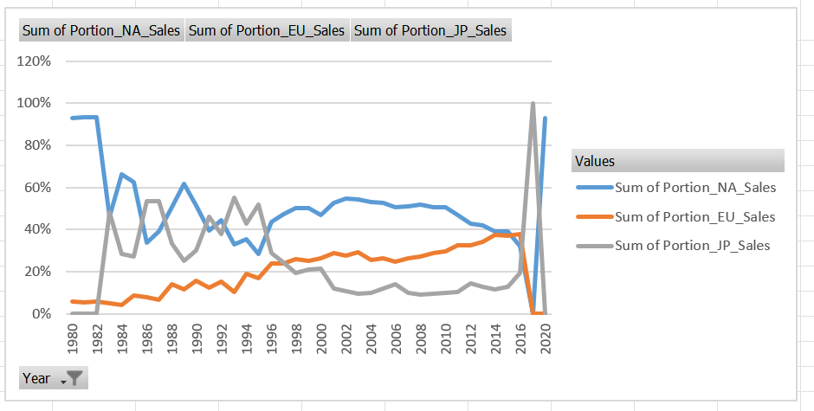
6 | Line Chart with X-axis representing YEARS and the Y-axis representing VARIABLE in Percentages

7 | Expectations challenged: Prelinimary expectations were that the largest market would garner the most marketing funds. The NA market is the largest market.

8 | Recommendations:
 | Recommendations: It's interesting that in the NA and EU markets, the top 3 genres are Action/Sports/Shooter games, while in the JP market, Role-playing games lead with Action and Sports following. Could the large gap in sales from NA to EU be down to more disposable income in NA? it would be interesting to see if the current economic state could impact future sales in the NA market. Also, this is the age of social media! It would be interesting to note if Instagram or TicTok is influencing sales.

Global Sales Genre
Global Top Grossing Genres Year 2000-2020 (Millions)
Year | (Multiple Items)

Row Labels | Sum of Global_Sales
Action | 1561
Sports | 1152
Shooter | 909
Grand Total | 3621

43%
32%
Top Three Grossing Genres

 | 1.2
 | 1.6
 | 1
 | 3.8

NA Sales Genre
Year | (Multiple Items)

Row Labels | Sum of NA_Sales
Action | 751 | 41 |  | 54f% More than half the sales come from ROLE-PLAYING genre in the JP market
Sports | 588 | 32
Shooter | 486 | 27 | Over 70% ACTION and SPORTS are the top two genres in the NA and EU
Grand Total | 1825

NA: Top 3 Grossing Genres Year 2000-2020 (Millions)
JP: Top 3 Grossing Genres Year 2000-2020 (Millions)
 | Total
Role-Playing | 241
Action | 132
Sports | 76

Top Three Grossing Genres

EU: Top 3 Grossing Genres Year 2000-2020 (Millions)
 | Total
Action | 472
Sports | 340
Shooter | 290

EU Sales Genre
EU: Top 3 Grossing Genres Year 2000-2020 (Millions)
Year | (Multiple Items)

Row Labels | Sum of EU_Sales
Action | 472 | 43
Sports | 340 | 31
Shooter | 290 | 26
Grand Total | 1102
Grand Total Of Global Sales | 8923
Percentage of Total Sales | 12%

Top Three Grossing Genres

JP Sales Genre
Year | (Multiple Items)

JP: Top 3 Grossing Genres Year 2000-2020 (Millions)
Row Labels | Sum of JP_Sales
Role-Playing | 241
Action | 132
Sports | 76
Grand Total | 449
Grand Total Of Global Sales | 8923
Percentage of Total Sales | 0

Top Three Grossing Genres

 | 54%
 | 29%
 | 17%

Other Sales Genre
Other (Millions)
Row Labels | Sum of Other_Sales
Action | 193
Sports | 137
Shooter | 103
Grand Total | 433
45%
32%
24%
Top Three Grossing Genres

Total Sales Region
Year | (Multiple Items)

Total Sales by Region Year 2000-2020
No. Amer Sales | Europe Sales | Japan Sales
3521.66 | 2095.95 | 809.76

6427.37

 | 4.6

Platform Sales Regions
Year | (All)

Top 10 Platform Sales in NA, EU, JP Year 1980-2020
Row Labels | No Amer Sales | Europe Sales | Japan Sales
X360 | 601.05 | 280.73 | 12.47
Wii | 507.62 | 268.38 | 69.35
DS | 390.66 | 194.95 | 175.49
GBA | 187.54 | 75.25 | 47.33
N64 | 139.02 | 41.06 | 34.22
NES | 125.94 | 21.15 | 98.65
PSP | 108.99 | 68.55 | 76.67
XOne | 83.19 | 45.65 | 0.34
SNES | 61.23 | 19.04 | 116.55
Grand Total | 2205.24 | 1014.76 | 631.07

Top 10 Platforms
Global Sales Top 10 Platforms Year 2000-2020
Year | (Multiple Items)

Row Labels | Sum of Global_Sales
PS2 | 1255.49
X360 | 980.46
PS3 | 957.79
Wii | 926.61
DS | 823.22
GBA | 318.5
PSP | 297.08
PS4 | 278.05
XB | 258.26
3DS | 247.46
GB | 30.03
Grand Total | 6372.95

